Çizelge1
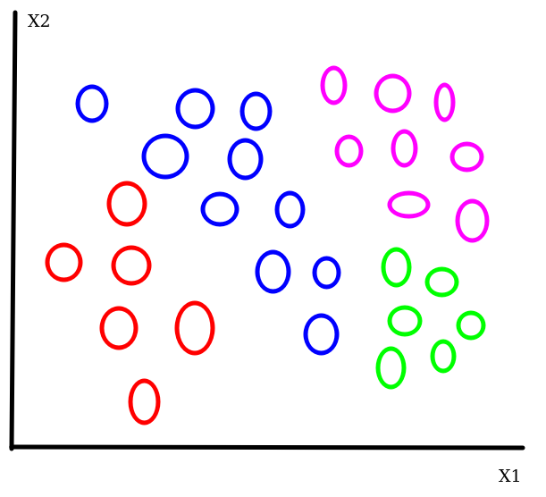
 |  | N |  |  |  | P |  |  |  | LOG(P)
Alternate | Current Node Contains | Red | Blue | Purple | Green | Red | Blue | Purple | Green | Red | Blue | Purple | Green | Node Entropy | Total Entropy
1 | R, B, P, G | 6 | 10 | 8 | 6 | 0.200 | 0.333 | 0.267 | 0.200 | -2.32 | -1.58 | -1.91 | -2.32 | 1.966 | 1.966
2 | R | 6 | 0 | 0 | 0 | 1.000 | 0.000 | 0.000 | 0.000 | 0.00 | 0.00 | 0.00 | 0.00 | 0.000 | 1.555
2 | B, P, G | 0 | 10 | 8 | 6 | 0.000 | 0.417 | 0.333 | 0.250 | 0.00 | -1.26 | -1.58 | -2.00 | 1.555
3 | R,B | 6 | 10 | 0 | 0 | 0.375 | 0.625 | 0.000 | 0.000 | -1.42 | -0.68 | 0.00 | 0.00 | 0.954 | 1.940
3 | P,G | 0 | 0 | 8 | 6 | 0.000 | 0.000 | 0.571 | 0.429 | 0.00 | 0.00 | -0.81 | -1.22 | 0.985
4 | R,B,P | 6 | 10 | 2 | 0 | 0.333 | 0.556 | 0.111 | 0.000 | -1.58 | -0.85 | -3.17 | 0.00 | 1.352 | 2.352
4 | P,G | 0 | 0 | 6 | 6 | 0.000 | 0.000 | 0.500 | 0.500 | 0.00 | 0.00 | -1.00 | -1.00 | 1.000

 |  | N |  |  |  | P |  |  |  | LOG(P)
Alternate | Current Node Contains | Red | Blue | Purple | Green | Red | Blue | Purple | Green | Red | Blue | Purple | Green | Node Entropy | Total Entropy
1 | R | 6 | 0 | 0 | 0 | 1.000 | 0.000 | 0.000 | 0.000 | 0.00 | 0.00 | 0.00 | 0.00 | 0.000 | 1.555
1 | B, P, G | 0 | 10 | 8 | 6 | 0.000 | 0.417 | 0.333 | 0.250 | 0.00 | -1.26 | -1.58 | -2.00 | 1.555
2 | R | 6 | 0 | 0 | 0 | 1.000 | 0.000 | 0.000 | 0.000 | 0.00 | 0.00 | 0.00 | 0.00 | 0.000 | 0.954
2 | B,G | 0 | 10 | 0 | 6 | 0.000 | 0.625 | 0.000 | 0.375 | 0.00 | -0.68 | 0.00 | -1.42 | 0.954
2 | P | 0 | 0 | 8 | 0 | 0.000 | 0.000 | 1.000 | 0.000 | 0.00 | 0.00 | 0.00 | 0.00 | 0.000
3 | R | 6 | 0 | 0 | 0 | 1.000 | 0.000 | 0.000 | 0.000 | 0.00 | 0.00 | 0.00 | 0.00 | 0.000 | 1.650
3 | B,P | 0 | 10 | 2 | 0 | 0.000 | 0.833 | 0.167 | 0.000 | 0.00 | -0.26 | -2.58 | 0.00 | 0.650
3 | P,G | 0 | 0 | 6 | 6 | 0.000 | 0.000 | 0.500 | 0.500 | 0.00 | 0.00 | -1.00 | -1.00 | 1.000

 |  | N |  |  |  | P |  |  |  | LOG(P)
Alternate | Current Node Contains | Red | Blue | Purple | Green | Red | Blue | Purple | Green | Red | Blue | Purple | Green | Node Entropy | Total Entropy
1 | R | 6 | 0 | 0 | 0 | 1.000 | 0.000 | 0.000 | 0.000 | 0.00 | 0.00 | 0.00 | 0.00 | 0.000 | 0.954
1 | B,G | 0 | 10 | 0 | 6 | 0.000 | 0.625 | 0.000 | 0.375 | 0.00 | -0.68 | 0.00 | -1.42 | 0.954
1 | P | 0 | 0 | 8 | 0 | 0.000 | 0.000 | 1.000 | 0.000 | 0.00 | 0.00 | 0.00 | 0.00 | 0.000
2 | R | 6 | 0 | 0 | 0 | 1.000 | 0.000 | 0.000 | 0.000 | 0.00 | 0.00 | 0.00 | 0.00 | 0.000 | 0.000
2 | B | 0 | 10 | 0 | 0 | 0.000 | 1.000 | 0.000 | 0.000 | 0.00 | 0.00 | 0.00 | 0.00 | 0.000
2 | P | 0 | 0 | 8 | 0 | 0.000 | 0.000 | 1.000 | 0.000 | 0.00 | 0.00 | 0.00 | 0.00 | 0.000
2 | G | 0 | 0 | 0 | 6 | 0.000 | 0.000 | 0.000 | 1.000 | 0.00 | 0.00 | 0.00 | 0.00 | 0.000

